20220919map3fs
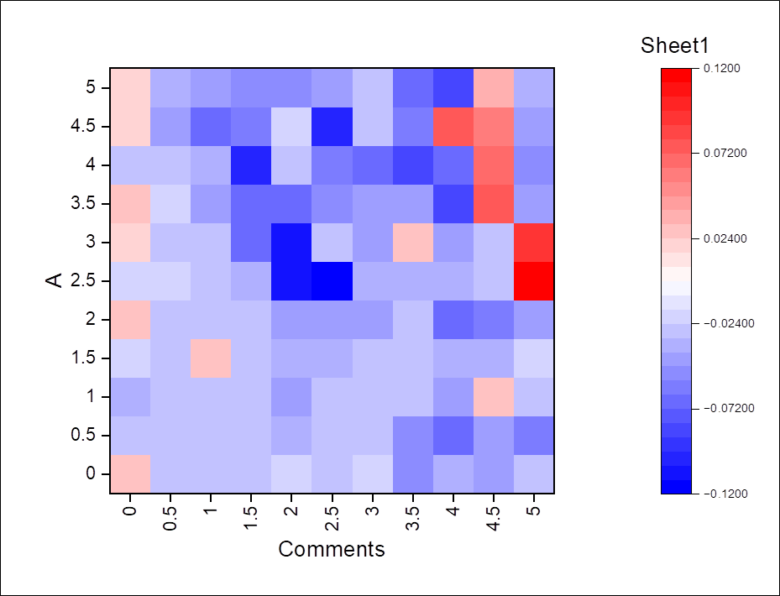
x/y position | 0 | 0.5 | 1 | 1.5 | 2 | 2.5 | 3 | 3.5 | 4 | 4.5 | 5
0 | 0.0297 | -0.0269 | -0.0275 | -0.0294 | -0.0212 | -0.0288 | -0.0232 | -0.0493 | -0.0339 | -0.042 | -0.0285
0.5 | -0.0291 | -0.03 | -0.0289 | -0.0256 | -0.0397 | -0.026 | -0.0295 | -0.0498 | -0.069 | -0.043 | -0.057
1 | -0.0366 | -0.0244 | -0.0271 | -0.0281 | -0.0437 | -0.0307 | -0.0318 | -0.0296 | -0.0448 | 0.0275 | -0.0312
1.5 | -0.0217 | -0.0248 | 0.0318 | -0.0266 | -0.0377 | -0.0334 | -0.0302 | -0.0289 | -0.0367 | -0.0322 | -0.0216
2 | 0.0274 | -0.0247 | -0.0291 | -0.0242 | -0.0439 | -0.0402 | -0.0477 | -0.0287 | -0.067 | -0.0621 | -0.0414
2.5 | -0.022 | -0.0233 | -0.0291 | -0.0377 | -0.1114 | -0.1126 | -0.0364 | -0.0386 | -0.0365 | -0.0298 | 0.1197
3 | 0.0234 | -0.0278 | -0.0286 | -0.0707 | -0.1048 | -0.0264 | -0.0411 | 0.0303 | -0.0468 | -0.0293 | 0.0892
3.5 | 0.0264 | -0.0227 | -0.0402 | -0.0678 | -0.0689 | -0.0555 | -0.0442 | -0.043 | -0.0811 | 0.0767 | -0.0458
4 | -0.0289 | -0.0292 | -0.0333 | -0.1015 | -0.0295 | -0.062 | -0.0668 | -0.0831 | -0.0682 | 0.066 | -0.0482
4.5 | 0.024 | -0.0446 | -0.0706 | -0.0616 | -0.0188 | -0.1003 | -0.0316 | -0.0586 | 0.0777 | 0.0568 | -0.0427
5 | 0.023 | -0.0329 | -0.046 | -0.0523 | -0.0556 | -0.0434 | -0.0245 | -0.0665 | -0.0878 | 0.0386 | -0.038

